Deploying OutSystems on-premise
OutSystems can be installed on-premesis and cloud
Service Studio is a tool to connect to your OutSystems on-premises and OutSystems Cloud

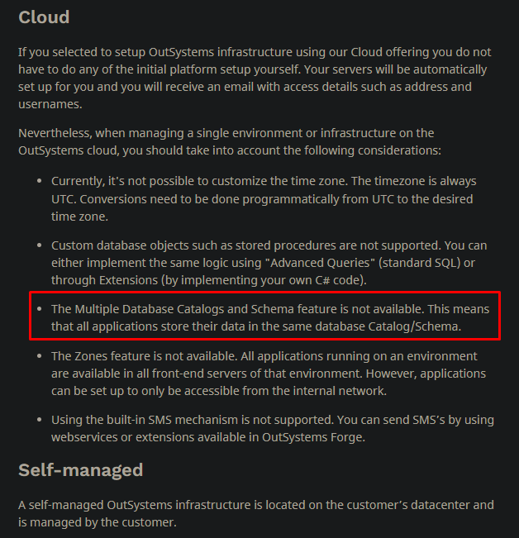

Go to this link to install Outsystems on-premises
Setting Up OutSystems - OutSystems 11 Documentation

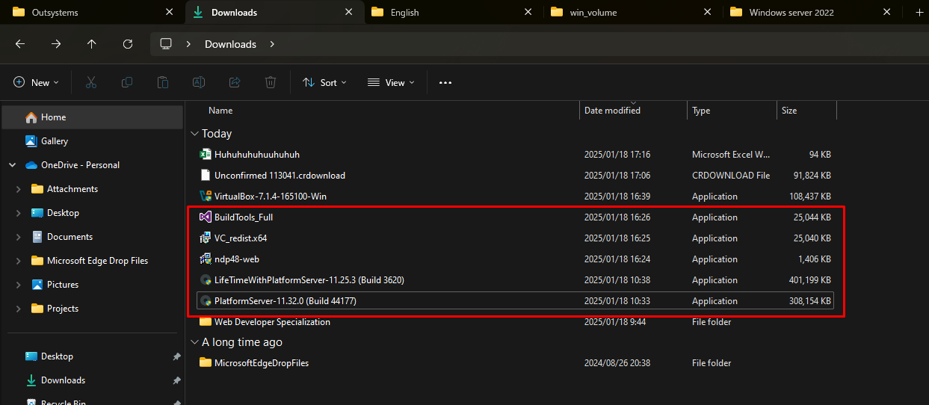

First, u need 2 Windows Server 2022
one for installing PlatformServer, one for installing LifeTime
can install Windows Server 2022 with docker, but docker doesn’t support GUI
so u can use virtual box

Install Platform Server in a computer machine
 | Performing an Offline Installation
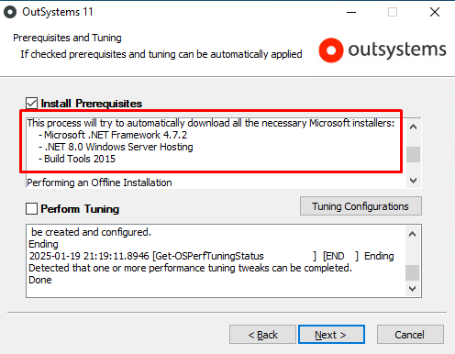
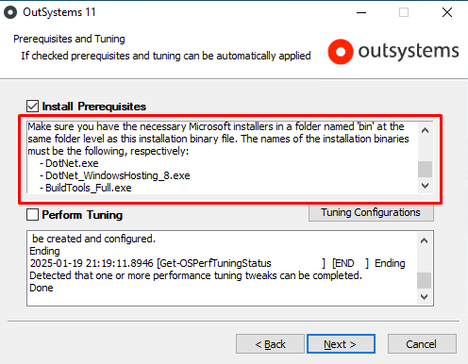

Install LifeTime in an other computer machine

Sheet1
